Sheet1
The CONTENTS Procedure
Data Set Name |  |  |  |  | WORK.IMPORT | Observations | 39
Member Type |  |  |  |  | DATA | Variables | 5
Engine |  |  |  |  | V9 | Indexes | 0
Created |  |  |  |  | 4/27/16 | Observation Length | 40
Last Modified |  |  |  |  | 4/27/16 | Deleted Observations | 0
Protection |  |  |  |  |  | Compressed | NO
Data Set Type |  |  |  |  |  | Sorted | NO
Label
Data Representation |  |  |  |  | SOLARIS_X86_64, LINUX_X86_64, ALPHA_TRU64, LINUX_IA64
Encoding |  |  |  |  | utf-8 Unicode (UTF-8)
Engine/Host Dependent Information
Data Set Page Size |  |  |  |  | 131072
Number of Data Set Pages |  |  |  |  | 1
First Data Page |  |  |  |  | 1
Max Obs per Page |  |  |  |  | 3265
Obs in First Data Page |  |  |  |  | 39
Number of Data Set Repairs |  |  |  |  | 0
Filename |  |  |  |  | /saswork/SAS_work5BE000007187_odaws02-prod-sg/SAS_workCED900007187_odaws02-prod-sg/import.sas7bdat
Release Created |  |  |  |  | 9.0401M3
Host Created |  |  |  |  | Linux
Inode Number |  |  |  |  | 62128143
Access Permission |  |  |  |  | rw-rw-r--
Owner Name |  |  |  |  | subhashini1
File Size |  |  |  |  | 256KB
File Size (bytes) |  |  |  |  | 262144
Alphabetic List of Variables and Attributes
# |  |  |  |  | Variable | Type | Len | Format | Informat
1 |  |  |  |  | X1 | Char | 4 | $4. | $4.
2 |  |  |  |  | X2 | Num | 8 | BEST12. | BEST32.
3 |  |  |  |  | X3 | Num | 8 | BEST12. | BEST32.
4 |  |  |  |  | X4 | Num | 8 | BEST12. | BEST32.
5 |  |  |  |  | X5 | Num | 8 | BEST12. | BEST32.
The CONTENTS Procedure
Data Set Name |  |  |  |  | WORK.STARTUP | Observations | 39
Member Type |  |  |  |  | DATA | Variables | 5
Engine |  |  |  |  | V9 | Indexes | 0
Created |  |  |  |  | 4/27/16 | Observation Length | 40
Last Modified |  |  |  |  | 4/27/16 | Deleted Observations | 0
Protection |  |  |  |  |  | Compressed | NO
Data Set Type |  |  |  |  |  | Sorted | NO
Label
Data Representation |  |  |  |  | SOLARIS_X86_64, LINUX_X86_64, ALPHA_TRU64, LINUX_IA64
Encoding |  |  |  |  | utf-8 Unicode (UTF-8)
Engine/Host Dependent Information
Data Set Page Size |  |  |  |  | 131072
Number of Data Set Pages |  |  |  |  | 1
First Data Page |  |  |  |  | 1
Max Obs per Page |  |  |  |  | 3265
Obs in First Data Page |  |  |  |  | 39
Number of Data Set Repairs |  |  |  |  | 0
Filename |  |  |  |  | /saswork/SAS_work5BE000007187_odaws02-prod-sg/SAS_workCED900007187_odaws02-prod-sg/startup.sas7bdat
Release Created |  |  |  |  | 9.0401M3
Host Created |  |  |  |  | Linux
Inode Number |  |  |  |  | 62128146
Access Permission |  |  |  |  | rw-rw-r--
Owner Name |  |  |  |  | subhashini1
File Size |  |  |  |  | 256KB
File Size (bytes) |  |  |  |  | 262144
Alphabetic List of Variables and Attributes
# |  |  |  |  | Variable | Type | Len | Format | Informat
1 |  |  |  |  | X1 | Char | 4 | $4. | $4.
2 |  |  |  |  | X2 | Num | 8 | BEST12. | BEST32.
3 |  |  |  |  | X3 | Num | 8 | BEST12. | BEST32.
4 |  |  |  |  | X4 | Num | 8 | BEST12. | BEST32.
5 |  |  |  |  | X5 | Num | 8 | BEST12. | BEST32.
The UNIVARIATE Procedure
Variable: X2
Moments
N |  |  |  |  | 22 | Sum Weights | 22
Mean |  |  |  |  | 92.0909091 | Sum Observations | 2026
Std Deviation |  |  |  |  | 37.956001 | Variance | 1440.65801
Skewness |  |  |  |  | 0.47019131 | Kurtosis | -0.6371584
Uncorrected SS |  |  |  |  | 216830 | Corrected SS | 30253.8182
Coeff Variation |  |  |  |  | 41.2157957 | Std Error Mean | 8.09224659
Basic Statistical Measures
Location |  |  |  |  |  | Variability
Mean |  |  |  |  | 92.09091 | Std Deviation | 37.956
Median |  |  |  |  | 87 | Variance | 1441
Mode |  |  |  |  | 40 | Range | 120
 |  |  |  |  |  | Interquartile Range | 60
Note: The mode displayed is the smallest of 11 modes with a count of 2.
Tests for Location: Mu0=0
Test | Statistic |  | p Value
Student's t | t | 11.38014 | Pr > |t| | <.0001
Sign | M | 11 | Pr >= |M| | <.0001
Signed Rank | S | 126.5 | Pr >= |S| | <.0001
Tests for Normality
Test | Statistic |  | p Value
Shapiro-Wilk | W | 0.921498 | Pr < W | 0.0817
Kolmogorov-Smirnov | D | 0.158329 | Pr > D | >0.1500
Cramer-von Mises | W-Sq | 0.084843 | Pr > W-Sq | 0.1749
Anderson-Darling | A-Sq | 0.572258 | Pr > A-Sq | 0.1261
Quantiles (Definition 5)
Level | Quantile
100% Max | 160
99% | 160
95% | 160
90% | 150
75% Q3 | 120
50% Median | 87
25% Q1 | 60
10% | 45
5% | 40
1% | 40
0% Min | 40
Extreme Observations
Lowest |  | Highest
Value | Obs | Value | Obs
40 | 13 | 120 | 14
40 | 2 | 150 | 1
45 | 18 | 150 | 12
45 | 7 | 160 | 5
60 | 17 | 160 | 16
Missing Values
Missing | Count | Percent Of
Value |  | All Obs | Missing Obs
. | 17 | 43.59 | 100
Stem Leaf # Boxplot Normal Probability Plot
16 00 2 | 170+ * +*++++
14 00 2 | | * *+++++
12 00 2 +-----+ | **++++
10 00 2 | | 110+ +**++
8 667700 6 *--+--* | ***+***
6 0055 4 +-----+ | **+**
4 0055 4 | 50+ * * +*+*+
----+----+----+----+ +----+----+----+----+----+----+----+----+----+----+
Multiply Stem.Leaf by 10**+1 -2 -1 0 +1 +2

The UNIVARIATE Procedure
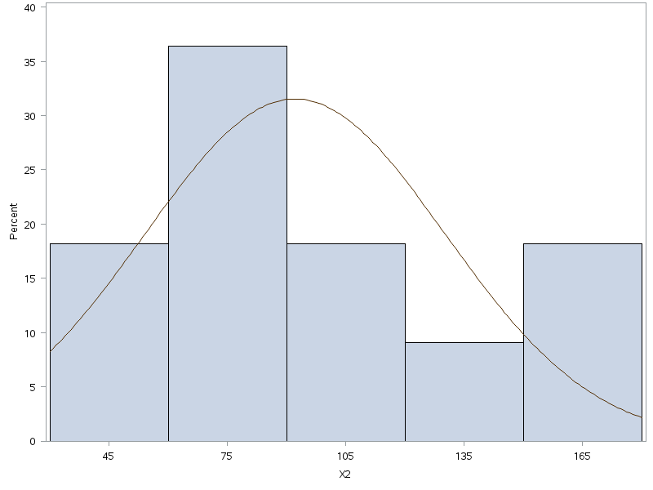
The UNIVARIATE Procedure
Fitted Normal Distribution for X2
Parameters for Normal Distribution
Parameter |  |  |  |  | Symbol | Estimate
Mean |  |  |  |  | Mu | 92.09091
Std Dev |  |  |  |  | Sigma | 37.956
Goodness-of-Fit Tests for Normal Distribution
Test |  |  |  |  | Statistic |  | p Value
Kolmogorov-Smirnov |  |  |  |  | D | 0.15832934 | Pr > D | >0.150
Cramer-von Mises |  |  |  |  | W-Sq | 0.08484337 | Pr > W-Sq | 0.175
Anderson-Darling |  |  |  |  | A-Sq | 0.57225823 | Pr > A-Sq | 0.126
Quantiles for Normal Distribution
Percent |  |  |  |  | Quantile
 |  |  |  |  | Observed | Estimated
1 |  |  |  |  | 40 | 3.79205
5 |  |  |  |  | 40 | 29.65884
10 |  |  |  |  | 45 | 43.44834
25 |  |  |  |  | 60 | 66.48998
50 |  |  |  |  | 87 | 92.09091
75 |  |  |  |  | 120 | 117.69184
90 |  |  |  |  | 150 | 140.73348
95 |  |  |  |  | 160 | 154.52297
99 |  |  |  |  | 160 | 180.38977
The UNIVARIATE Procedure
Variable: X3
Moments
N |  |  |  |  | 20 | Sum Weights | 20
Mean |  |  |  |  | 72.3 | Sum Observations | 1446
Std Deviation |  |  |  |  | 30.5288474 | Variance | 932.010526
Skewness |  |  |  |  | 0.49870344 | Kurtosis | -1.0459895
Uncorrected SS |  |  |  |  | 122254 | Corrected SS | 17708.2
Coeff Variation |  |  |  |  | 42.2252385 | Std Error Mean | 6.82645782
Basic Statistical Measures
Location |  |  |  |  |  | Variability
Mean |  |  |  |  | 72.3 | Std Deviation | 30.52885
Median |  |  |  |  | 70 | Variance | 932.01053
Mode |  |  |  |  | 35 | Range | 90
 |  |  |  |  |  | Interquartile Range | 50
Note: The mode displayed is the smallest of 10 modes with a count of 2.
Tests for Location: Mu0=0
Test | Statistic |  | p Value
Student's t | t | 10.59114 | Pr > |t| | <.0001
Sign | M | 10 | Pr >= |M| | <.0001
Signed Rank | S | 105 | Pr >= |S| | <.0001
Tests for Normality
Test | Statistic |  | p Value
Shapiro-Wilk | W | 0.90062 | Pr < W | 0.0424
Kolmogorov-Smirnov | D | 0.186975 | Pr > D | 0.0665
Cramer-von Mises | W-Sq | 0.096628 | Pr > W-Sq | 0.1191
Anderson-Darling | A-Sq | 0.674543 | Pr > A-Sq | 0.07
Quantiles (Definition 5)
Level | Quantile
100% Max | 125
99% | 125
95% | 125
90% | 120
75% Q3 | 95
50% Median | 70
25% Q1 | 45
10% | 38.5
5% | 35
1% | 35
0% Min | 35
Extreme Observations
Lowest |  | Highest
Value | Obs | Value | Obs
35 | 12 | 95 | 13
35 | 2 | 115 | 6
42 | 17 | 115 | 16
42 | 7 | 125 | 10
45 | 14 | 125 | 20
Missing Values
Missing | Count | Percent Of
Value |  | All Obs | Missing Obs
. | 19 | 48.72 | 100
The UNIVARIATE Procedure
Variable: X3
Stem Leaf # Boxplot Normal Probability Plot
12 55 2 | 125+ * +++*
11 55 2 | | * * +++
10 | | +++
9 55 2 +-----+ 95+ **++
8 | | | +++
7 5588 4 *--+--* | +****
6 55 2 | | 65+ ++**
5 | | | +++
4 225588 6 +-----+ | *+*+** **
3 55 2 | 35+ * *+++
----+----+----+----+ +----+----+----+----+----+----+----+----+----+----+
Multiply Stem.Leaf by 10**+1 -2 -1 0 +1 +2

The UNIVARIATE Procedure
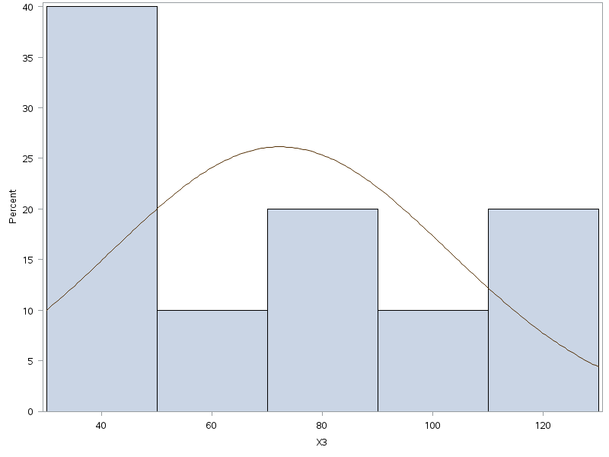
The UNIVARIATE Procedure
Fitted Normal Distribution for X3
Parameters for Normal Distribution
Parameter |  |  |  |  | Symbol | Estimate
Mean |  |  |  |  | Mu | 72.3
Std Dev |  |  |  |  | Sigma | 30.52885
Goodness-of-Fit Tests for Normal Distribution
Test |  |  |  |  | Statistic |  | p Value
Kolmogorov-Smirnov |  |  |  |  | D | 0.18697482 | Pr > D | 0.067
Cramer-von Mises |  |  |  |  | W-Sq | 0.09662771 | Pr > W-Sq | 0.119
Anderson-Darling |  |  |  |  | A-Sq | 0.67454322 | Pr > A-Sq | 0.07
Quantiles for Normal Distribution
Percent |  |  |  |  | Quantile
 |  |  |  |  | Observed | Estimated
1 |  |  |  |  | 35 | 1.27928
5 |  |  |  |  | 35 | 22.08451
10 |  |  |  |  | 38.5 | 33.17571
25 |  |  |  |  | 45 | 51.70861
50 |  |  |  |  | 70 | 72.3
75 |  |  |  |  | 95 | 92.89139
90 |  |  |  |  | 120 | 111.42429
95 |  |  |  |  | 125 | 122.51549
99 |  |  |  |  | 125 | 143.32072
The UNIVARIATE Procedure
Variable: X4
Moments
N |  |  |  |  | 20 | Sum Weights | 20
Mean |  |  |  |  | 87 | Sum Observations | 1740
Std Deviation |  |  |  |  | 34.9465758 | Variance | 1221.26316
Skewness |  |  |  |  | 0.07058821 | Kurtosis | -0.6969269
Uncorrected SS |  |  |  |  | 174584 | Corrected SS | 23204
Coeff Variation |  |  |  |  | 40.1684779 | Std Error Mean | 7.8142919
Basic Statistical Measures
Location |  |  |  |  |  | Variability
Mean |  |  |  |  | 87 | Std Deviation | 34.94658
Median |  |  |  |  | 97.5 | Variance | 1221
Mode |  |  |  |  | 100 | Range | 115
 |  |  |  |  |  | Interquartile Range | 50
Tests for Location: Mu0=0
Test |  |  |  |  | Statistic |  | p Value
Student's t |  |  |  |  | t | 11.13345 | Pr > |t| | <.0001
Sign |  |  |  |  | M | 10 | Pr >= |M| | <.0001
Signed Rank |  |  |  |  | S | 105 | Pr >= |S| | <.0001
Tests for Normality
Test |  |  |  |  | Statistic |  | p Value
Shapiro-Wilk |  |  |  |  | W | 0.91655 | Pr < W | 0.0851
Kolmogorov-Smirnov |  |  |  |  | D | 0.201617 | Pr > D | 0.0321
Cramer-von Mises |  |  |  |  | W-Sq | 0.126136 | Pr > W-Sq | 0.0463
Anderson-Darling |  |  |  |  | A-Sq | 0.708096 | Pr > A-Sq | 0.0555
Quantiles (Definition 5)
Level |  |  |  |  | Quantile
100% Max |  |  |  |  | 150
99% |  |  |  |  | 150
95% |  |  |  |  | 150
90% |  |  |  |  | 135
75% Q3 |  |  |  |  | 100
50% Median |  |  |  |  | 97.5
25% Q1 |  |  |  |  | 50
10% |  |  |  |  | 40
5% |  |  |  |  | 35
1% |  |  |  |  | 35
0% Min |  |  |  |  | 35
Extreme Observations
Lowest |  |  |  |  |  | Highest
Value |  |  |  |  | Obs | Value | Obs
35 |  |  |  |  | 13 | 100 | 18
35 |  |  |  |  | 3 | 120 | 9
45 |  |  |  |  | 17 | 120 | 19
45 |  |  |  |  | 7 | 150 | 6
50 |  |  |  |  | 20 | 150 | 16
Missing Values
Missing |  |  |  |  | Count | Percent Of
Value |  |  |  |  |  | All Obs | Missing Obs
. |  |  |  |  | 19 | 48.72 | 100
The UNIVARIATE Procedure
Variable: X4
Stem Leaf # Boxplot Normal Probability Plot
14 00 2 | 150+ * +++*+
12 00 2 | | *+*++++
10 0000 4 +-----+ | **+**++
8 6699 4 *--+--* 90+ **+**+
6 55 2 | | | +++**
4 5500 4 +-----+ | ++*+*+**
2 55 2 | 30+ *++++*
----+----+----+----+ +----+----+----+----+----+----+----+----+----+----+
Multiply Stem.Leaf by 10**+1 -2 -1 0 +1 +2

The UNIVARIATE Procedure
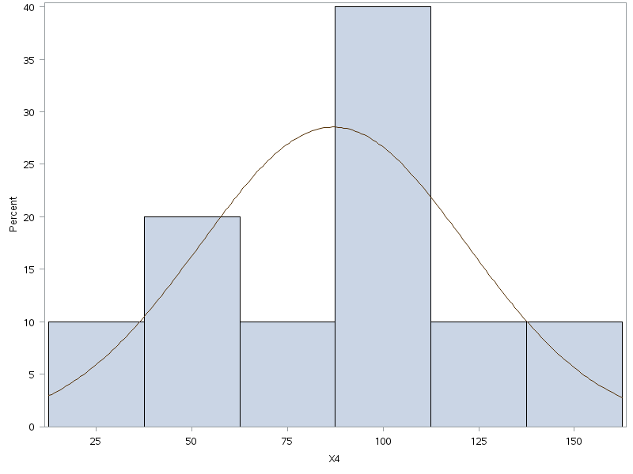
The UNIVARIATE Procedure
Fitted Normal Distribution for X4
Parameters for Normal Distribution
Parameter |  |  |  |  | Symbol | Estimate
Mean |  |  |  |  | Mu | 87
Std Dev |  |  |  |  | Sigma | 34.94658
Goodness-of-Fit Tests for Normal Distribution
Test |  |  |  |  | Statistic |  | p Value
Kolmogorov-Smirnov |  |  |  |  | D | 0.20161747 | Pr > D | 0.032
Cramer-von Mises |  |  |  |  | W-Sq | 0.12613569 | Pr > W-Sq | 0.046
Anderson-Darling |  |  |  |  | A-Sq | 0.70809581 | Pr > A-Sq | 0.056
Quantiles for Normal Distribution
Percent |  |  |  |  | Quantile
 |  |  |  |  | Observed | Estimated
1 |  |  |  |  | 35 | 5.70211
5 |  |  |  |  | 35 | 29.518
10 |  |  |  |  | 40 | 42.21416
25 |  |  |  |  | 50 | 63.42889
50 |  |  |  |  | 97.5 | 87
75 |  |  |  |  | 100 | 110.57111
90 |  |  |  |  | 135 | 131.78584
95 |  |  |  |  | 150 | 144.482
99 |  |  |  |  | 150 | 168.29789

